Comparison Pictures
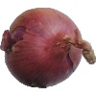
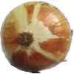
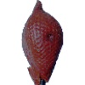
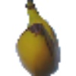
Logistic Regression Model Prediction Sample |  |  | Deep Neural Network Model Prediction Sample
Prediction | Actual | Filename | Prediction | Actual | Filename
Apple Golden 3 | Pear | fruits-360/Test/Pear/r_78_100.jpg | Papaya | Pear Monster | fruits-360/Test/Pear Monster/r_175_100.jpg

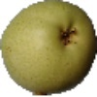
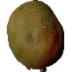
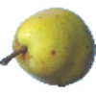

Pear | Avocado | fruits-360/Test/Avocado/r_70_100.jpg | Banana Lady Finger | Banana Red | fruits-360/Test/Banana Red/r_158_100.jpg

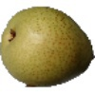
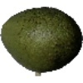
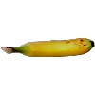
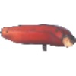

Tomato Maroon | Potato Red Washed | fruits-360/Test/Potato Red Washed/r2_143_100.jpg | Apple Red Delicious | Cherry Rainier | fruits-360/Test/Cherry Rainier/r_50_100.jpg
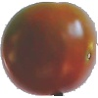
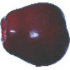
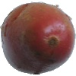
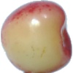

Logistic Regression Model Prediction Sample |  |  | Deep Neural Network Model Prediction Sample
Prediction | Actual | Filename | Prediction | Actual | Filename
Lemon | Mandarine | fruits-360/Test/Mandarine/r_83_100.jpg | Hazelnut | Chestnut | fruits-360/Test/Chestnut/r_199_100.jpg
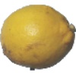
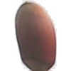
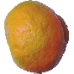
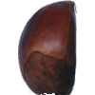

Apple Braeburn | Nectarine | fruits-360/Test/Nectarine/60_100.jpg | Onion Red Peeled | Mangostan | fruits-360/Test/Mangostan/r_119_100.jpg
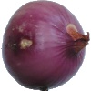
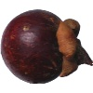
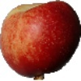

Pear | Apple Granny Smith | fruits-360/Test/Apple Granny Smith/r_79_100.jpg | Pepper Yellow | Apricot | fruits-360/Test/Apricot/r_56_100.jpg
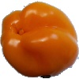
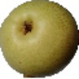
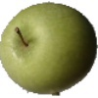
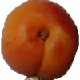

Logistic Regression Model Prediction Sample |  |  | Deep Neural Network Model Prediction Sample
Prediction | Actual | Filename | Prediction | Actual | Filename
Mango | Pepino | fruits-360/Test/Pepino/r_234_100.jpg | Grape White | Pepino | fruits-360/Test/Pepino/r_237_100.jpg
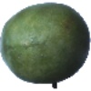
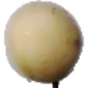
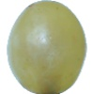
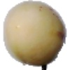

Onion Red | Onion White | fruits-360/Test/Onion White/r2_11_100.jpg | Salak | Banana | fruits-360/Test/Banana/167_100.jpg

Web_Data_Mismatch
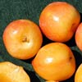
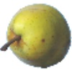
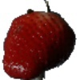
Prediction LRM | Prediction DNN | Actual | Filename
Pear Williams | Apple Red Delicious | Passion Fruit | web_images/gulupa-100x100.jpg

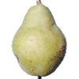
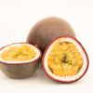

Pear Williams | Potato White | Pear | web_images/pears.jpg
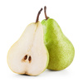

Onion Red | - | Strawberry | web_images/strawberries1.jpg
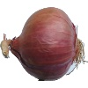
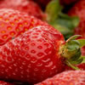

Pitahaya Red | Pitahaya Red | DragonFruit | web_images/E49BE62E-6943-E411-B834-22000AF88B16.jpg

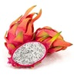

Banana Lady Finger | Banana Lady Finger | Ugli Fruit | web_images/F8CFCFB3-D645-E411-B834-22000AF88B16.jpg
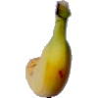
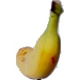
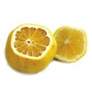

Banana Lady Finger | Pitahaya Red | Passion Fruit | web_images/A2657DDD-4643-E411-B834-22000AF88B16.jpg
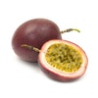

Banana Lady Finger | Pear Williams | Apple | web_images/Fruit-snacking-Future-trends-and-challenges_small.jpg

Banana Lady Finger | Pear Williams | Lemon | web_images/Boone+Olive+Oil+CO.+Whole+Fruit+Lemon+Olive+Oil.jpg
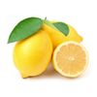

Rambutan | Pitahaya Red | Apple | web_images/apple-100px.jpg
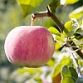
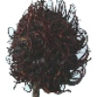
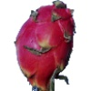

Pepper Red | Apple Red Yellow 2 | Apple Banana | web_images/home-basics-fruit-baskets-fb00459-c3_100.jpg
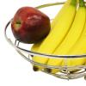
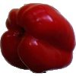
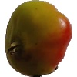

Cherry Rainier | Cherry Rainier | Apple | web_images/4frk13.jpg



Pear Monster | Strawberry | pluot | web_images/pluot_splash.jpg

